Guidance Notes
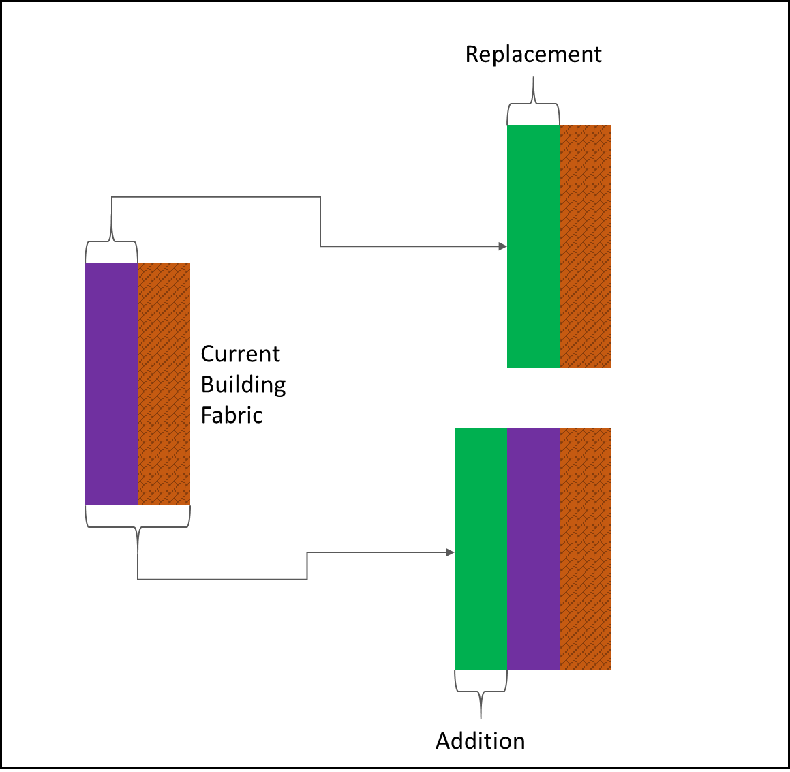
Salix Building Fabric Insulation Calculation Tool (V2.4)
© Salix Finance 2023

General Guidance Notes
As part of a ‘Whole building’ approach to decarbonising a building, the simplest way to reduce fuel consumption from a heating system is to ensure a building envelope is well insulated, and where infiltration and ventilation rates are controlled to the requirements for a comfortable and safe operation. This tool is intended to offer guidance to Salix clients who are looking to complete a heat loss calculation for building fabric improvement projects. These include window replacements, and internal or external insulation improvements. Thermal insulation standards are typically referred to as the thermal transmittance of the fabric (total heat transfer exchange). These are expressed in standard units called U-Values. This calculation uses the thermal improvement of a fabric's U-value to calculate a saving on heat loss through the fabric. The thermal transmittance improvements can then be applied to degree data and boiler efficiencies to calculate a seasonal saving on fuel (kWh).
Q = $\left(Number of degree days\left(Kelvin.Days\right)×Area to be insulated \left(m^{2}\right)×U−value of element \left(W/{m^{2}K}\right)×Heating operational hour (h/Day) \right)× \frac{Number of days heated}{Number of days in heating season}$
$$R_{T} = R1 + R2 + R3 + …$$
$$R_{1} = t/$$
U = ${ 1}/{R_{T} }$
The seasonal efficiency of the heating plant can then be applied to the kWh energy saving to deduce a kWh fuel saving.
Clients may also wish to consider other aspects of heat loss from a building in their savings estimates (such as heat lost through windows and/or ventilation and infiltration losses).
Calculating U Values The U-value assesses the rate of heat transfer through the combined elements that make up a building component such as a wall, floor or roof. It is measured in units of W/m2.K (Watts per metre squared Kelvin). It is a way of measuring the insulating properties of the building element. The lower the U-value, the better insulated the building element is. So a wall with a low U-value will prevent heat loss better than a wall with a high U-value. To calculate a U-Value you have to start with the R-Value or resistivity of the elements of the building element. The R-Value refers to a material’s ability to resist heat transfer and is dependant on the material thickness. R values are measured in m2.K/W. The R-Value equation is shown below, where t = the thickness of the material in metres and λ (lambda) is the thermal conductivity of the material in W/m.K. To deduce the total R value for the building fabric, the R values can be summed, as shown by the following equation: U Value is the reciprocal of all resistances of the materials found in the building element. To calculate the U-Value of the building element the R-Value of all the different components that make up that element will be considered. Therefore, to deduce the U value for the building element: This is the basic formula, and by using this you could work out the U-Value for a particular application. However, when calculating a heat losses for a whole building, there are also other factors which need to be taken into account including infiltration, thermal bridging factors of fixings or stud work. Pre-Project U-Value The client should input information based on whether the new insulation is adding to the building fabric or replacing current insulation: - Addition: The U value should be based on all the layers of the current building fabric. - Replacement: The U value only should be based on the current material which will be replaced with new insulation. Post-Project U-Value The applicant shou
Definitions
 |  | Description and Guidance
 | Degree Days | Degree days are a simplified representation of outside air-temperature data. They are widely used in the energy industry for calculations relating to the effect of outside air temperature on building energy consumption. "Heating degree days", are a measure of how much (in degrees), and for how long (in days), outside air temperature was lower than a specific base temperature. A degree day is a single number that quantifies how hot or cold the weather has been for a certain region over a month (or week). The colder the weather in a given month the higher the degree day value.
 |  | For further information and degree day data downloads, we suggest visiting the following websites:
 |  | https://www.degreedays.net/introduction
 |  | Detailed degree day data can be found on Vilinis Vesma's degree day website:
 |  | http://www.vesma.com/ddd/welcome.htm
 |  | For further reading on building energy efficiency, please see the Carbon Trust guides:
 |  | http://www.carbontrust.com/resources/guides/energy-efficiency/buildings-energy-efficiency
 |  | Please note that Salix accepts no liability for content and information supplied by external websites.
 | Base Temperature | With regard to heating degree days, the base temperature of a building is the outside air temperature below which that building needs heating. The base temperature used to calculate degree days in the UK is 15.5°C for general purpose buildings, because when this temperature is met, most UK buildings do not need supplementary heating. For specialist buildings where internal temperatures need to be maintained at higher levels (e.g. hospital wards and swimming pools), a base temperature of 18.5°C can be applied in the calculation.
 | U-values | The U-value of a building element (roof, wall or secondary glazing, etc) is an expression of the rate of energy flow (in W/m2K) for a given surface area (m2) and a given temperature difference between the internal and external exposures of the element.
Salix Disclaimer It is clearly important that clients looking to follow the good practice guidance exercised in this tool read carefully and fully understand the calculation methodology behind the tool before attempting use for project purposes. It is also important for Salix to stress that this tool has been produced as a form of good practice guidance for clients on how to calculate savings from building fabric improvements and that there are other calculation methodologies that clients may wish to apply to their insulation projects; Salix encourages clients to use a standard methodology that they feel most comfortable with. Salix will recommend that this tool be used in conjunction with a client’s own calculation methodologies as a form of comparison to give the client confidence in their savings estimates. It is appreciated that there are different sources of information on degree days that will vary from those provided in the Degree Day Data Tables. If you have an alternative source of information or if you have calculated bespoke degree days for your site, Salix would encourage the implementation of client input to the calculation tool. When interpreting the savings outputs generated by this tool it might be necessary to make some consideration for other contributing factors, such as infiltration rates and how the heating system is currently controlled. Through improving building fabric, it is important to consider the current controls regime present in affected areas as this could impact on the level of savings realised for the insulation measures. Salix accepts no liability in how this document is used and the outputs from it. If you have any questions on using this tool, we would always recommend contacting the Salix technical team via the ‘contact us’ box on the front page of the Salix website or alternatively emailing: technical@salixfinance.co.uk.

