Terms and Conditions
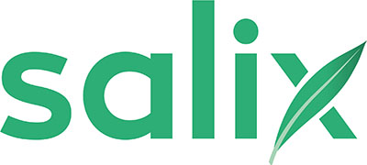
Salix Finance: Terms and Conditions for Salix Compliance Tools
© Salix Finance 2026

Terms and conditions of use
Salix Finance Ltd (“Salix”) offers 100% interest-free capital to the public sector to improve their energy efficiency and reduce their greenhouse gas emissions. Salix’ loans have to comply with certain conditions as to type of equipment being installed and its financial and carbon savings efficiency. Salix has developed a suite of simple “tools” available for users to download for free to help users estimate their anticipated financial and carbon savings for each scheme they want to assess using data provided by the user.
Non-disclosure
Salix and/or the users acknowledge that they may receive or become aware of confidential information relating to the other party. Except to the extent that disclosure is expressly permitted, or otherwise agreed in writing between the parties, each party shall treat the confidential information provided by the other party as confidential and safeguard it accordingly and not disclose the confidential information provided by the other party to any other person (except their employees, agents, and professional advisers to whom and to the extent to which such disclosure is necessary for the purposes contemplated in considering eligibility for Salix finance and subject to procuring that such persons are made aware of and shall comply with these obligations of confidentiality).
Intellectual property rights
Salix are the owner or the licensee of all intellectual property rights in our tools, and in the material found within them. Salix’ tools are available to use free under licence. The look and feel, the integral data, the embedded calculations and algorithms, and resulting compliance guidance have been created by Salix Finance who own all the Intellectual Property contained within them for the exclusive use of its existing and potential clients. All rights are reserved. No part of the tools may be reproduced, distributed, or transmitted in any form or by any means, including photocopying, recording, or other electronic or mechanical methods, without the prior written permission of the Salix, except in the case of certain non-commercial uses permitted by copyright law. For permission requests, please write to Salix Finance Ltd at 10 South Colonnade, Canary Wharf, London, E14 4PU.

